Sheet1
This is shopee video for 1 min

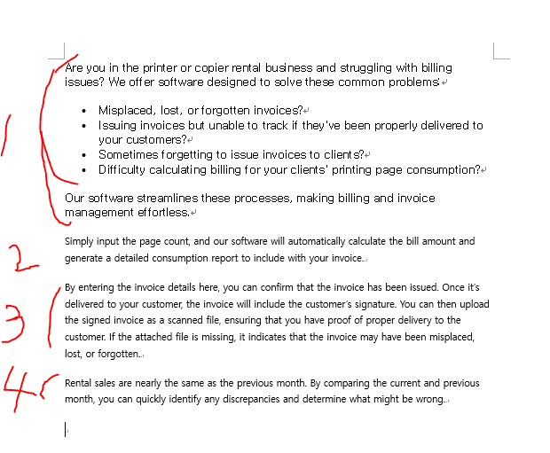

 |  | task1 | intro image like this -- konica c280 unit and this text

 |  | task2 | this text is too long -- split this to another page

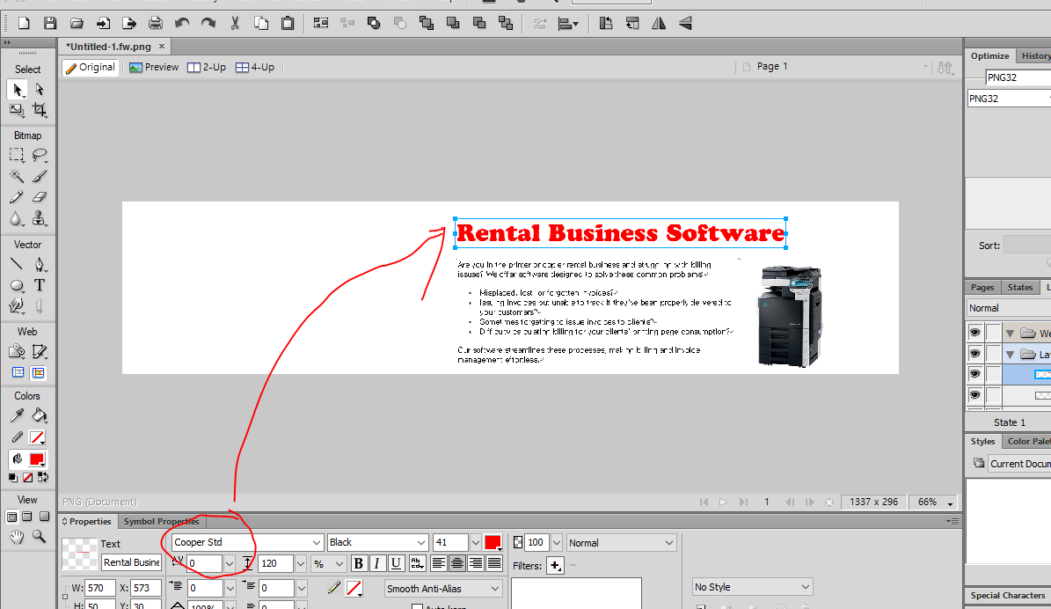

task 3 | this 2.3.4 -- make quick video

contents
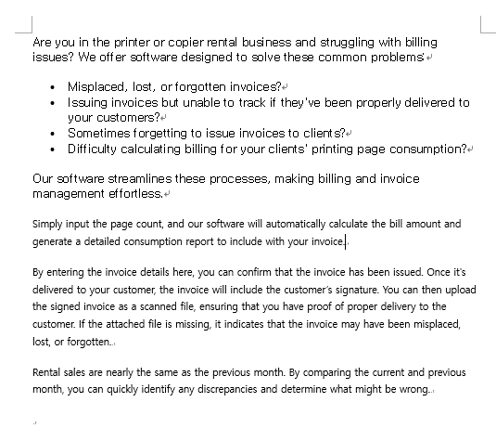
Are you in the printer or copier rental business and struggling with billing issues? We offer software designed to solve these common problems:

Misplaced, lost, or forgotten invoices?
Issuing invoices but unable to track if they've been properly delivered to your customers?
Sometimes forgetting to issue invoices to clients?
Difficulty calculating billing for your clients' printing page consumption?
Our software streamlines these processes, making billing and invoice management effortless.
Simply input the page count, and our software will automatically calculate the bill amount and generate a detailed consumption report to include with your invoice.
By entering the invoice details here, you can confirm that the invoice has been issued. Once it's delivered to your customer, the invoice will include the customer’s signature. You can then upload the signed invoice as a scanned file, ensuring that you have proof of proper delivery to the customer. If the attached file is missing, it indicates that the invoice may have been misplaced, lost, or forgotten.
Rental sales are nearly the same as the previous month. By comparing the current and previous month, you can quickly identify any discrepancies and determine what might be wrong.

